Extension
What is Tax Extension ?? | Scenario 1 (NO EXTENSION FILED) | Scenario 2 (EXTENSION FILED)
A Tax Extension is a formal request to the tax authority for additional time to file your tax return, not additional time to pay the tax owed. | Tax year: 2025 | Tax year: 2025
 | Tax due: $8,965 | Tax due: $8,965
Standard filing deadline: April 15 (March 15 For Bussiness Taxes) | Original due date: April 15, 2026 | Original due date: April 15, 2026
Extended filing deadline: October 15 (September 15 For Bussiness Taxes) | Paid in full: September 15, 2026 | Paid in full: September 15, 2026
Extension request form: IRS Form 4868 | Days late: ~153 days | Days late: ~153 days
 | IRS interest rate (typical 2026 range): 8% annual, compounded daily | IRS interest rate (typical 2026 range): 8% annual, compounded daily
What a Tax Extension Does | Months Late | Months Late
 | April 16 → September 15 = 5 months late | April 16 → September 15 = 5 months late
✔ Gives extra time to prepare and file your return. | Penalties | Penalties
✔ Prevents the failure-to-file penalty | 1) Failure-to-File Penalty | 1) Failure-to-File Penalty
 | 5% × 5 months = 25% (maxed) | $0 (extension protects you)
What a Tax Extension Does Not Do | 25% × $8,965 = $2,241.25
 | 2) Failure-to-Pay Penalty | 2) Failure-to-Pay Penalty
✖ Does NOT extend the time to pay taxes owed | 0.5% × 5 months = 2.5% | 0.5% × 5 months = 2.5%
✖ Interest and late-payment penalties still apply to unpaid balances after April 15 | 2.5% × $8,965 = $224.13 | 2.5% × $8,965 = $224.13
✖ Does not reduce tax liability | Total Penalties (No Extension) | Total Penalties (With Extension)

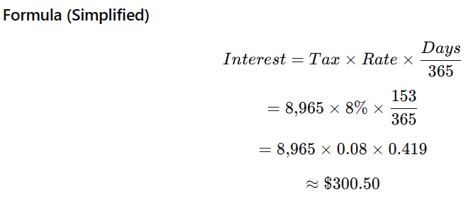
Penalties Explained | $2,241.25 + $224.13 = $2,465.38 | $224.13
 | Interest Calculation (Federal)
Late filing penalty:
~5% per month (up to 25%) → avoided with extension
Late payment penalty:
~0.5% per month + interest → still applies if unpaid
Late Payment Interest
Daily interest @ 8% Annual
Please see an example of how the penalties and interest applies for late filing -->

 | Total penalties + interest $2765.88 | Total penalties + interest $524.63

FILING EXTENSION IS CRUCIAL

 |  | s

Etrade Supplemental Location
